Table 1
Sainsburys-Tesco-Morrison-Aldi
Picture | Name | Qty | total cost | RRP | Total RRP
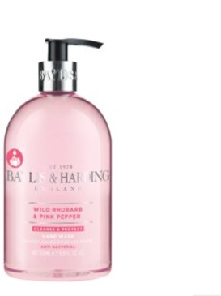 | Baylis & Harding Wild Rhubarb and Pink Pepper Hand Wash 500ml Sainsburys | 5828 | £0.00 | £2.25 | £13,113.00
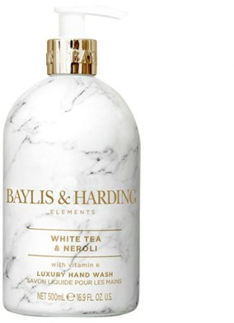 | Baylis & Harding White Tea & Neroli Hand Wash 500ml Sainsburys | 8808 | £0.00 | £3.25 | £28,626.00
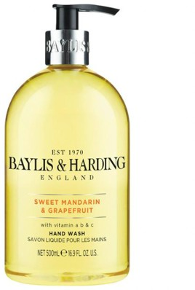 | Baylis & Harding Sweet Mandarin & Grapefruit Hand Wash 500ml Sainsburys | 665 | £0.00 | £2.25 | £1,496.25
 | Treaclemoon Strawberry Ice cream shower and bath gel 500ml | 11625 | £0.00 | £3.00 | £34,875.00
 | Hotel Collection winter spice orange cinnamon and clove scented hand wash 250ml | 4744 | £0.00 | £1.99 | £9,440.56
 | Cien Shampoo Apple 400ml | 1560 | £0.00 | £1.25 | £1,950.00
 | Lacura Moisturiser + Shower Gel 500ml | 1065 | £0.00 | £1.25 | £1,331.25
 | Vital Feminine Wash SoapFree 300ml | 1964 | £0.00 | £1.25 | £2,455.00
 | Lacura shampoo coconut and lime 400ml | 324 | £0.00 | £1.25 | £405.00
 | Dentalux mouthwash 500ml | 1296 | £0.00 | £1.25 | £1,620.00
 | Oracare + Total White Fluoride Mouthwash 500ml Sainsburys | 2760 | £0.00 | £1.49 | £4,112.40
 | Morrisons Nail Polish Remover 250ml | 2712 | £0.00 | £1.99 | £5,396.88
 | Tesco Nail Polish Remover 250ml | 2592 | £0.00 | £1.99 | £5,158.08
 | Cien Hand Cream Anti- Aging 75ml | 23208 | £0.00 | £0.99 | £22,975.92
 |  | 69151 | £0.00 |  | £132,955.34

